Sheet1
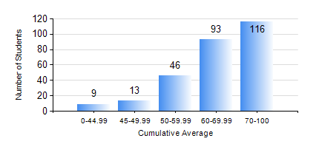
 |  |  | KWAME NKRUMAH UNIVERSITY OF SCIENCE AND TECHNOLOGY, KUMASI Department of Electrical/Electronic Engineering

 |  |  | BSC. ELECTRICAL/ELECTRONIC ENG.

 |  |  | COMPREHENSIVE RECORD OF EXAMINATION RESULTS

 |  |  | RESULTS OF YEAR 1 FIRST SEMESTER, 2021/2022 ACADEMIC YEAR

 | Sn | Course Code |  | Course Name | Credit Hours | Min. Mark | Max. Mark | Avg. Mark | Std. Dev. | No. Passed | No. Trailed | No. (Df) | No. (I) | No. (I*) | No. Tagged(I,I*,Df) | Total
 | 0. |  |  |  |  |  |  | 0 | 0 | 0 | 0 | 0 | 0 | 0 | 0 | 4
 | 1. | CE 155 |  | ENVIRONMENTAL STUDIES | 2 | 0 | 88 | 63 | 12.84 | 266 | 7 | 0 | 0 | 0 | 0 | 273
 | 2. | EE 151 |  | APPLIED ELECTRICITY | 3 | 0 | 99 | 65 | 17.72 | 260 | 13 | 0 | 0 | 0 | 0 | 273
 | 3. | EE 153 |  | ENGINEERING TECHNOLOGY | 2 | 0 | 97 | 79 | 13.26 | 266 | 6 | 1 | 0 | 0 | 1 | 273
 | 4. | ENGL 157 |  | COMMUNICATION SKILLS I | 2 | 0 | 94 | 70 | 14.3 | 267 | 6 | 0 | 0 | 0 | 0 | 273
 | 5. | MATH 151 |  | ALGEBRA | 4 | 0 | 97 | 64 | 15.19 | 262 | 11 | 0 | 0 | 0 | 0 | 273
 | 6. | ME 159 |  | TECHNICAL DRAWING | 2 | 0 | 90 | 75 | 12.98 | 268 | 5 | 0 | 0 | 0 | 0 | 273
 | 7. | ME 161 |  | BASIC MECHANICS | 3 | 0 | 95 | 58 | 19.93 | 248 | 25 | 0 | 0 | 0 | 0 | 273

